SumIF
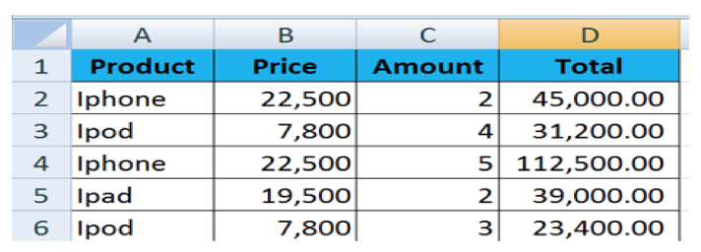
Instruction:
From the table below, use the function in red color to display the column highlight in yellow

Sale name | Product name | Price | Amount | Total
Somchai | Laptop | 23,450.00 | 125.00 | 2,931,250.00
Somchat | PDA Phone | 19,815.00 | 234.00 | 4,636,710.00
Sompong | Backberry | 12,150.00 | 1,319.00 | 16,025,850.00
Nitiporn | Wireless Card | 1,319.00 | 987.00 | 1,301,853.00
Somchat | PC Computer | 18,995.00 | 259.00 | 4,919,705.00
Sompong | Wireless Card | 1,319.00 | 210.00 | 276,990.00
Pitipong | Backberry | 12,150.00 | 1,219.00 | 14,810,850.00
Multiply cells together by referencing each cell to find the total amount.
Ex. =A1*B1
Saman | Laptop | 23,450.00 | 153.00 | 3,587,850.00
Nitiporn | Laptop | 23,450.00 | 110.00 | 2,579,500.00
Somchai | Wireless Card | 1,319.00 | 199.00 | 262,481.00
Sompong | PC Computer | 18,995.00 | 345.00 | 6,553,275.00
Pitipong | Laptop | 23,450.00 | 250.00 | 5,862,500.00
Waraporn | Backberry | 12,150.00 | 1,029.00 | 12,502,350.00
Somchat | PC Computer | 18,995.00 | 109.00 | 2,070,455.00
Nitiporn | Wireless Card | 1,319.00 | 1,093.00 | 1,441,667.00
Saman | PDA Phone | 19,815.00 | 983.00 | 19,478,145.00
Sompong | Laptop | 23,450.00 | 135.00 | 3,165,750.00
Pitipong | Wireless Card | 1,319.00 | 1,550.00 | 2,044,450.00
Saman | Backberry | 18,995.00 | 2,345.00 | 44,543,275.00

Total Sale (Number) |  | 148,994,906.00 |  | Baht | Use Function "SUMPRODUCT" to calculate total sale amount
Total Sale (Text) |  | หนึ่งร้อยสี่สิบแปดล้านเก้าแสนเก้าหมื่นสี่พันเก้าร้อยหกบาทถ้วน |  |  | Use Function "BAHTTEXT" to display total sale amount as a text
Total Sale Product
Laptop |  | 18,126,850.00
PDA Phone |  | 24,114,855.00
Backberry |  | 87,882,325.00
Wireless Card |  | 5,327,441.00
PC Computer |  | 13,543,435.00
Find the sum of each product sales using the Function "SUMIF" and display a bar graph to compare sales of each product.
Total Sale Product
Laptop |  | 18,126,850.00 |  | Baht
PDA Phone |  | 24,114,855.00 |  | Baht
Backberry |  | 87,882,325.00 |  | Baht
Wireless Card |  | 5,327,441.00 |  | Baht
PC Computer |  | 13,543,435.00 |  | Baht

Total Sale Salename
Somchai |  | 3,193,731.00
Somchat |  | 11,626,870.00
Sompong |  | 26,021,865.00
Nitiporn |  | 5,323,020.00
Pitipong |  | 22,717,800.00
Saman |  | 67,609,270.00
Waraporn |  | 12,502,350.00
Find the sum of each Sale Person using the Function "SUMIF" and display a bar graph to compare sales of each person.
Total Sale Salename
Somchai |  | 3,193,731.00 |  | Baht
Somchat |  | 11,626,870.00 |  | Baht
Sompong |  | 26,021,865.00 |  | Baht
Nitiporn |  | 5,323,020.00 |  | Baht
Pitipong |  | 22,717,800.00 |  | Baht
Saman |  | 67,609,270.00 |  | Baht
Waraporn |  | 12,502,350.00 |  | Baht

Function "SUMIF"
is use to find the sum from a set of data that have a specific criteria/condition
How to use:
=SUMIF(range,criteria,sum_range)
▪range: is the range of cells you want evaluated.
▪criteria: is the condition or criteria in the form of a number, expression, or text that defines which cells will be added.
▪sum_range: are the actual cells to sum. If omitted, the cells in range are used. EX) IF you want to know total sales of Iphone, you can use the function SUMIF as folllow:
=SUMIF(A2:A6,"Iphone",D2:D6)
Function "SUMPRODUCT"
is use to find the sum of multiplying 2 sets of data How to use:
=SUMPRODUCT(array1,array2,array3,...arrayn)
▪array1, array2, array3,...arrayn means sets of data 1,2,3..n
EX) If you want to find the sum of Price x Amount, you can use Function "SUMPRODUCT" to calculate it.
=SUMPRODUCT(B2:B6,C2:C6)

Sum_Sales 16-17
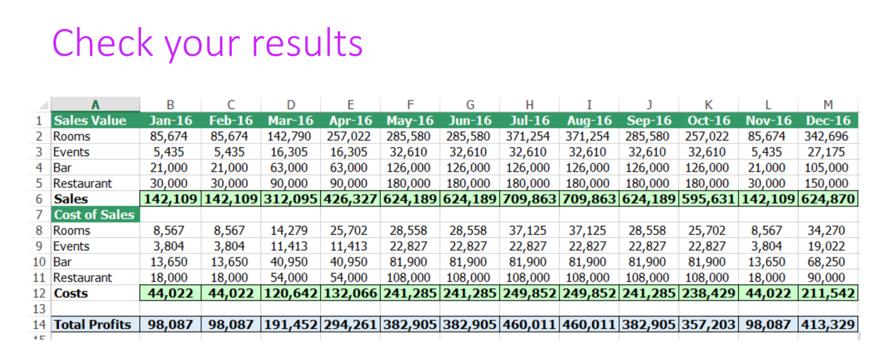
Instruction:
- Find the summary from two work sheets (Sales 2016 and Sales 2017) for the Sales Value (B6:M9) and the Cost of Sales (B12:B15)
- Find the value of Sales (line10), Costs (line16), and Total Profit (line18)

Sales Value | Jan 16-17 | Feb 16-17 | Mar 16-17 | Apr 16-17 | May 16-17 | Jun 16-17 | Jul 16-17 | Aug 16-17 | Sep 16-17 | Oct 16-17 | Nov 16-17 | Dec 16-17
Rooms | 84,000 | 85,674 | 142,790 | 257,022 | 285,580 | 285,580 | 371,254 | 371,254 | 285,580 | 257,022 | 85,674 | 342,696
Events | 5,435 | 5,435 | 16,305 | 16,305 | 32,610 | 32,610 | 32,610 | 32,610 | 32,610 | 32,610 | 5,435 | 27,175
Bar | 21,000 | 21,000 | 63,000 | 63,000 | 126,000 | 126,000 | 126,000 | 126,000 | 126,000 | 126,000 | 21,000 | 105,000
Restaurant | 30,000 | 30,000 | 90,000 | 90,000 | 180,000 | 180,000 | 180,000 | 180,000 | 180,000 | 180,000 | 30,000 | 150,000
Sales | 140,435 | 142,109 | 312,095 | 426,327 | 624,189 | 624,189 | 709,863 | 709,863 | 624,189 | 595,631 | 142,109 | 624,870
Cost of Sales
Rooms | 8,567 | 8,567 | 14,279 | 25,702 | 28,558 | 28,558 | 37,125 | 37,125 | 28,558 | 25,702 | 8,567 | 34,270
Events | 3,804 | 3,804 | 11,413 | 11,413 | 22,827 | 22,827 | 22,827 | 22,827 | 22,827 | 22,827 | 3,804 | 19,022
Bar | 13,650 | 13,650 | 40,950 | 40,950 | 81,900 | 81,900 | 81,900 | 81,900 | 81,900 | 81,900 | 13,650 | 68,250
Restaurant | 18,000 | 18,000 | 54,000 | 54,000 | 108,000 | 108,000 | 108,000 | 108,000 | 108,000 | 108,000 | 18,000 | 90,000
Costs | 44,022 | 44,022 | 120,642 | 132,066 | 241,285 | 241,285 | 249,852 | 249,852 | 241,285 | 238,429 | 44,022 | 211,542

Total Profits | 96,413 | 98,087 | 191,452 | 294,261 | 382,905 | 382,905 | 460,011 | 460,011 | 382,905 | 357,203 | 98,087 | 413,329

VLOOKUP
Instruction: Use "VLOOKUP" Function to display the following items
1. When fill in Product ID in (C20), display the Product Name in (C21)
2. When fill in Product ID in (C20), display the Price in (C22)

Looks for a value in the leftmost column of a table, and then returns a value in the same row from a column you specify. By default, the table must be sorted in an ascending order.
Syntax
VLOOKUP(lookup_value,table_array,col_index_num,range_lookup)
▪ lookup_value: is the value to be found in the first column of the table, and can be a value, a reference, or a text string. (Ex. D5)
▪ table_array: is a table of text, numbers, or logical values, in which data is retrieved. Table_array can be a reference to a range or a range name. (Ex. A1:C19)
▪ col_index_num: is the column number in table_array from which the matching value should be returned. The first column of values in the table is column 1.
▪ range_lookup: is a logical value: to find the closest match in the first column (sorted in ascending order) = TRUE or omitted; find an exact match = FALSE.
Product Detail
Product ID | Product Name | Price
CT-0401 | Jasmine Tea | 250.00
CT-0402 | Lychee Tea | 125.00
CT-0403 | Achan Lemonade | 165.00
DT-0501 | Milk Tea | 250.00
DT-0502 | Green Tea | 149.00
DT-0503 | Strawberry Tea | 145.00
ET-0601 | Banana Milk Tea | 169.00
ET-0602 | Apple Tea | 130.00
ET-0603 | Peach Tea | 159.00
FT-0701 | Plum Tea | 169.00
FT-0702 | Pearl Milk Tea | 220.00
FT-0703 | Melon Milk Tea | 100.00

Product ID |  | DT-0501 | (C20)
Product Name |  | Milk Tea | (C21)
Price |  | 250.00 | (C22)

